TabelsAndReport
 |  |  |  |  |  |  | Table Filters in CALCULATE: |  |  |  |  |  | All DAX Formulas in Data Model:
dDate Table |  | fTransactions Table |  |  | dProduct Table |  | 1) Remove all columns in Expanded Table: |  |  |  |  |  | [Total Sales] := SUM(fTransactions[Sales])
 |  |  |  |  |  |  | [Grand Overall Total] := CALCULATE([Total Sales],ALL(fTransactions)) |  |  |  |  |  | [Grand Overall Total] := CALCULATE([Total Sales],ALL(fTransactions))
Date | Month | Date | Product | Sales | Product | Price |  |  |  |  |  |  | [ALL works on Prod. Column Only] : =CALCULATE([Total Sales],ALL(dProduct[Product]))
1/1/2019 | Jan | 1/1/2019 | Quad | 100 | Quad | 43 | 2) Use Expanded fTransations Table to pass a filter backward across a Many-To-One Relationship |  |  |  |  |  | [Distinct Months] : =DISTINCTCOUNT(dDate[Month])
1/2/2019 | Jan | 2/1/2019 | Quad | 150 | Carlota | 29 | [Count Distinct Months Prod. Sold] := CALCULATE(DISTINCTCOUNT(dDate[Month]),fTransactions) |  |  |  |  |  | [Count Distinct Months Prod. Sold] := CALCULATE(DISTINCTCOUNT(dDate[Month]),fTransactions)
1/3/2019 | Jan | 2/1/2019 | Quad | 250 |  |  |  |  |  |  |  |  | [RemoveDate] := CALCULATE([Distinct Months],ALL(fTransactions))
2/1/2019 | Feb | 1/1/2019 | Carlota | 75 |  |  | 3) Use Expanded Table Column not in original Table |  |  |  |  |  | [Remove Everything Except Month] :=CALCULATE([Distinct Months],ALLEXCEPT(fTransactions,dDate[Month]))
2/2/2019 | Feb | 1/2/2019 | Carlota | 145 |  |  | [Remove Everything Except Month] := CALCULATE([Distinct Months],ALLEXCEPT(fTransactions,dDate[Month]))
2/3/2019 | Feb | 1/3/2019 | Carlota | 230
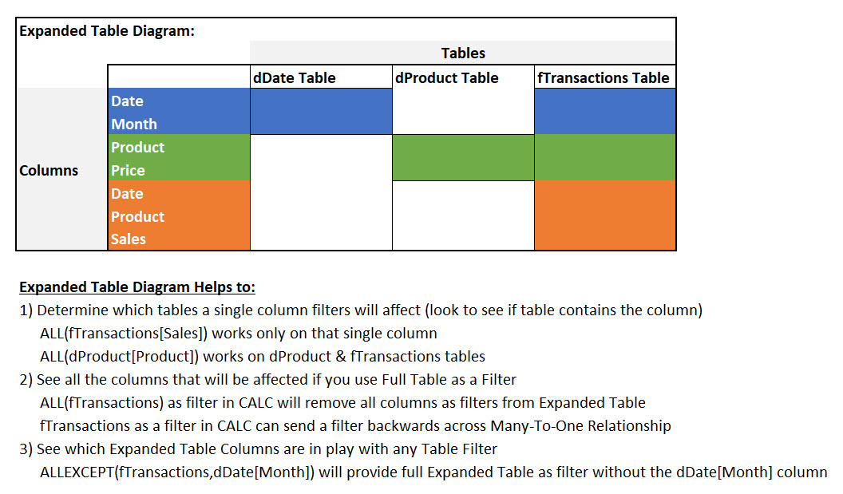
 |  |  |  |  |  |  | Column Filter in CALCULATE
 |  |  |  |  |  |  | [ALL works on Prod. Column Only] :=CALCULATE([Total Sales],ALL(dProduct[Product]))

 |  |  |  |  |  |  | Product | Total Sales | GrandOverallTotal | AllWorksonTheProductOnly | Distinct Months | CountDistinctMonthsProductSold
 |  |  |  |  |  |  | Carlota | $450.00 | $950.00 | $950.00 | 2 | 1
 |  |  |  |  |  |  | Quad | $500.00 | $950.00 | $950.00 | 2 | 2
 |  |  |  |  |  |  | Grand Total | $950.00 | $950.00 | $950.00 | 2 | 2

 |  |  |  |  |  |  | Month
 |  |  |  |  |  |  | Feb
 |  |  |  |  |  |  | Jan
 |  |  |  |  |  |  | Grand Total

